Service Seq
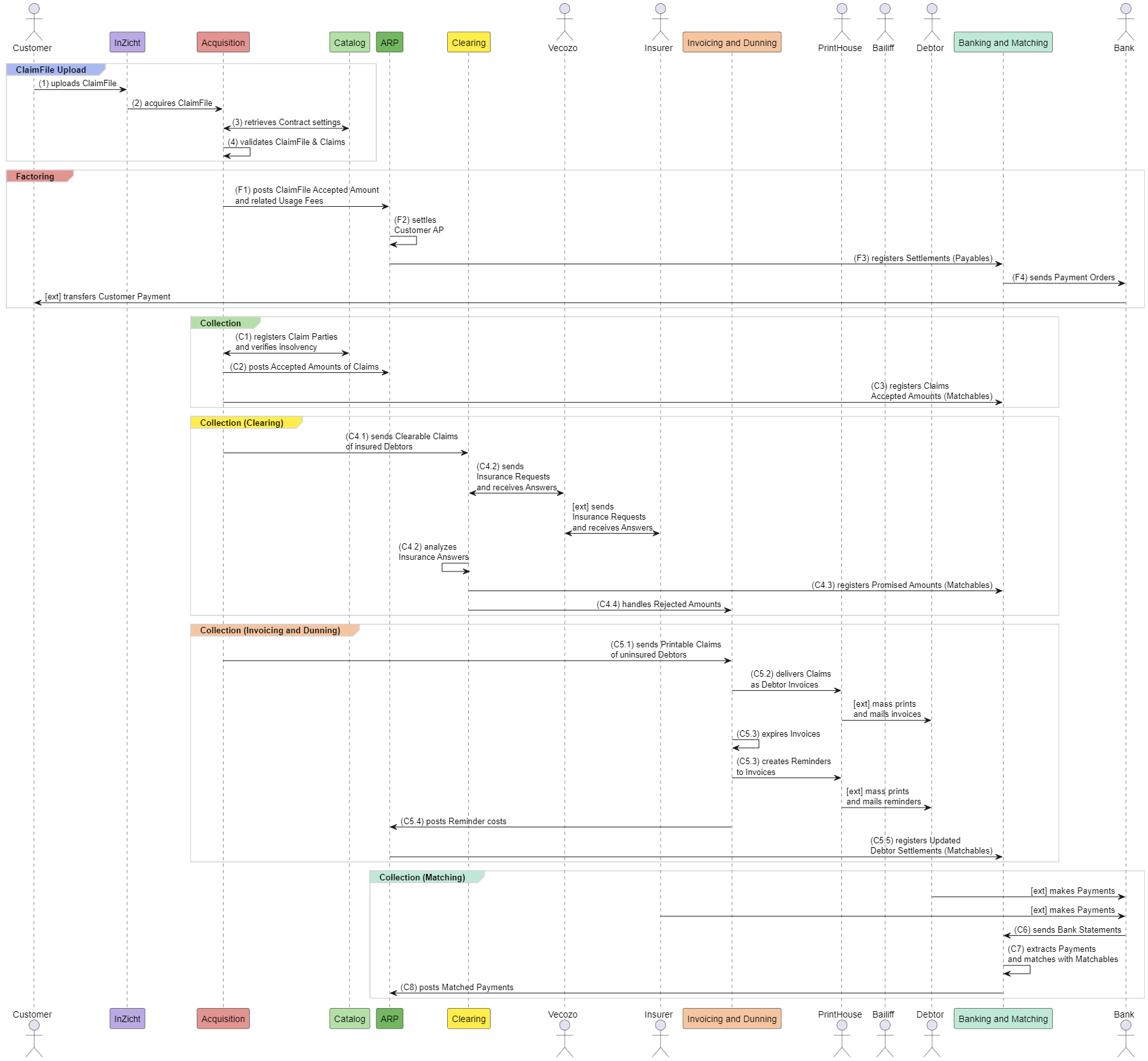
TIM Basic Process Flow | Source: | TIM Groups Factoring and Collection Generic.puml

New Domains
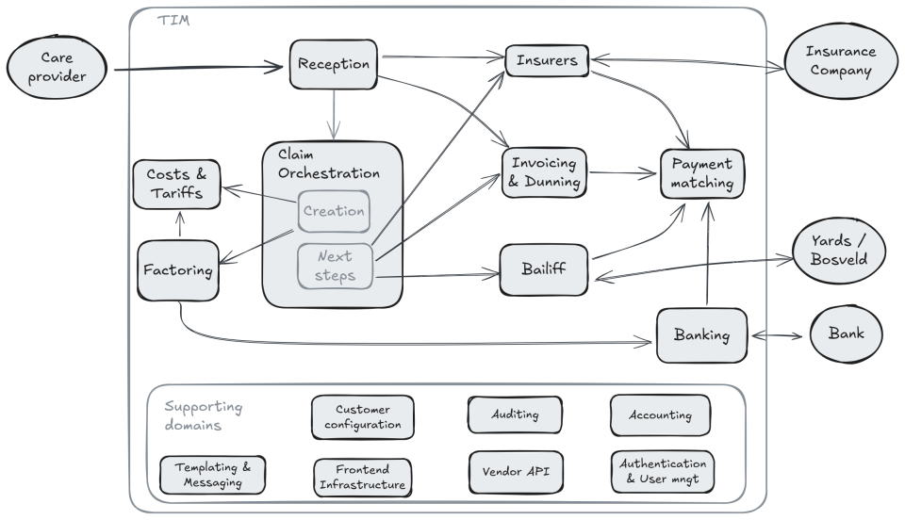
Domains | TIM Domain Split Results.docx

1 core
Name | (Core) Catalog
Label | core
Index | 1.1
SIG Name | TIM\Core.Catalog
API Label | core
API Index | 1.2
API Sig Name | TIM\Core.WebAPI
Responsibilities | 1. Catalog of Products (Basic, Extended, Complete...) organized in ServiceElements and Items * Loaded from Product Definition (XML file) 2. Catalog of Prices (Tariffs) related to selected ServiceItems * Loaded from Product Definition (XML file) 3. Catalog of Parties including: * Customers (entered via API) organized in hierarchical structure of: * Master Business Accounts (Organizations, MBA) * Business Accounts (Practices, BA) * Individuals (Practitioners) * MBA/BA Contracts (entered via API) linked to Products with customized ServiceItems groupped in ServiceElements and custom Prices * Insurance Companies (Insurers, IC, entered via API), including IC authorizations and exclusions * ClaimParties * Groupped and individual Claim/Debtor details used for tracking financial status of receivables * Created via Events during Claim acquisition * Brands/labels * Profession groups 4. Provide ControlData (Product settings) and ClearingData (Insurers settings) for each ClaimFile 5. PreRate, i.e. identify unique individuals per ClaimFile or BA and collect and return Bad Debtor information for them 6. Receive Ratable items and traverse Products, Contracts, and Prices for determining Chargeable items from them * NOTE: This responsibility may belong to ARP in fact | 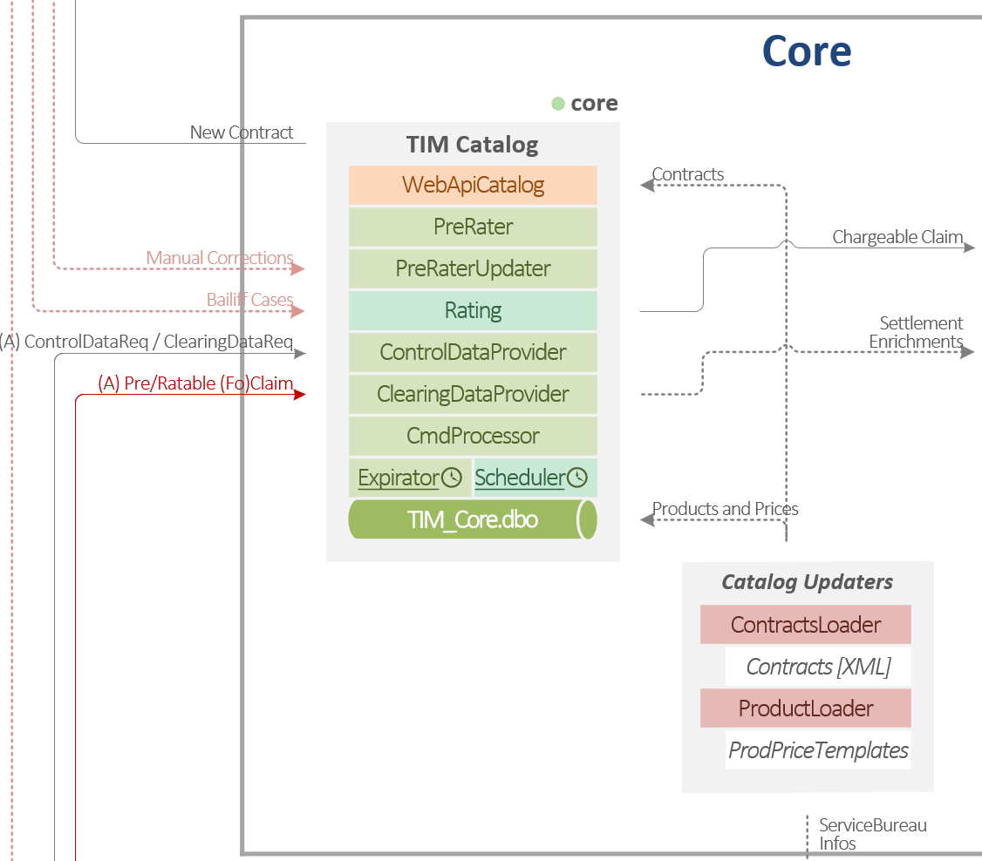
Group / Process | 8 Catalog of Product and Prices (Tariffs)
2nd Group / Process | 6 Catalog of Customers (and BA Contracts)
3rd Group / Process | 7 Catalog of Insurers (and IC Authorizations)
4h Group / Process
Key Input | CRUD operations on Catalog items, requests to provide ControlData or ClearingData from Catalogs for ClaimFiles being Acquired
Key Output | ControlData or ClearingData from Catalogs for ClaimFiles being Acquired
External Input
External Output
Messages In
Messages Out

2 arp
Name | (Core) ARP
Label | arp
Index | 2.
SIG Name | TIM\ARP
API Label | no WebAPI available
API Index
API Sig Name
Responsibilities | 1. Gather financial events (chargable items) rated according to Product, Contract, and Prices, including: * Validated ClaimFiles and Claims * Claims becoming Invoices * ??? NOTE: Rating of ratable items done earlier by (Core) Catalog, to be re-considered as part of ARP 2. Gather other financial events that update accounts and settlements, including: * Updates of Invoices in Dunning * Promises from Insurers (automated and manual) * New Payments and Payments with (suggested) Matchings * Requests related to Stopping Claims * Requests related to Payment Agreements * Requests related to Settlements (check, commit) * ... 3. Charge the items on AR/AP accounts according to Charging Plan (aka. register Financial Facts) 4. Settle the accounts and output outcoming results as New/UpdatedSettlement, including: * Outgoing Payment Orders for outstanding result on AP * Requests for Balance Payments for outstanding result on AR BA * Issue Accepted Claim for outstanding result on AR ClaimParty * ??? | 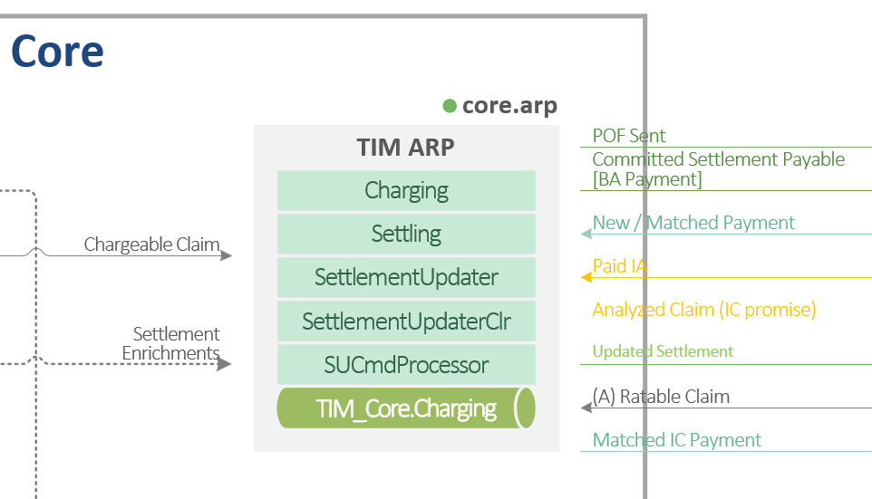
Group / Process | 1 Financial Operations (Rate/Charge/Settle)
2nd Group / Process | 10 Rate and Charge BA Service
3rd Group / Process | 15 Rate and Charge Debtor Service
4h Group / Process | 14 Settle Account
Key Input | Chargeable Items representing system events with potential financial impact
Key Output | Updated Settlements representing updates on AR/AP accounts derived from financial events
External Input
External Output
Messages In
Messages Out

3.1 med
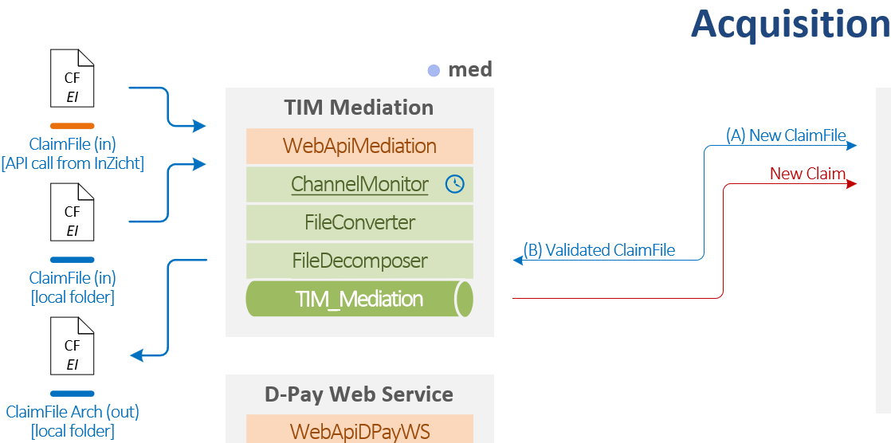
Name | Acquisition / Mediation (med)
Label | med.
Index | 3.1
SIG Name | TIM\Acquisition.Mediation
API Label | WebAPI integrated with the service: WebAPIMediation
API Index
API Sig Name
Responsibilities | 1. Receive Vektis EI text ClaimFiles via * WebAPI called from InZicht or Vendor software * File folders, including SFTP for external clients, D-Pay folder for internal DPay WS, manual folder for BAD file handling 2. Convert files to TIM model (MZ, PM, ZH, HA, OS) or Provisions model (AP, LH) 3. For TIM model apply basic datachecks (existence, format, regexp, simple lookups) 4. For Provisions model communicate with IMD for basic validation 5. Log validation results in ValidationResult structure 6. Decompose ClaimFiles onto Claims with ClaimLines and ClaimDetails 7. Archive processed ClaimFile in BAD/GOOD folder (legacy feature for BAD file handling manual process)
Group / Process | 0 Acquisition (of BA ClaimFile)
2nd Group / Process | 02 Deliver ClaimFile
3rd Group / Process | 04 Receive, Validate, Store ClaimFile and Claim
4h Group / Process
Key Input | Data streams from WebAPIMediation representing ClaimFiles
Key Output | ClaimFile metadata for file-level validations and New Claims decomposed from ClaimFiles (if possible)
External Input | ClaimFile input via WebAPIMediation from InZicht or Vendor software
External Output
Messages In
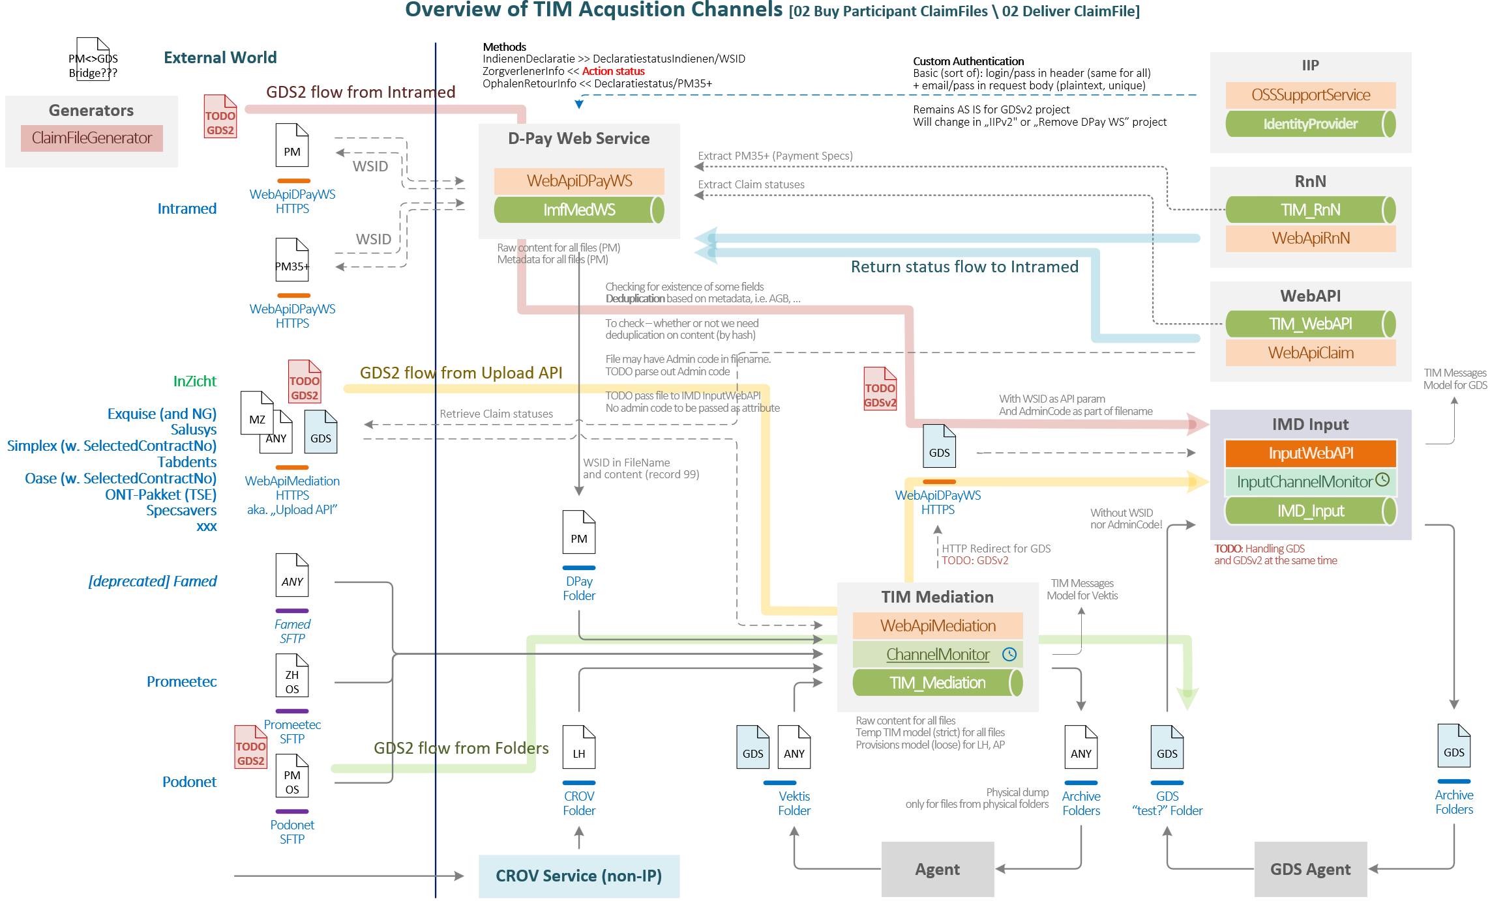
Messages Out

3.2 val
Name | Acquisition / Validation (val)
Label | val
Index | 3.2
SIG Name | TIM\Acquisition.Validation
API Label | WebAPI integrated with the service: WebAPIValidation
API Index
API Sig Name
Responsibilities | 1. Run validation and enrichment flow for ClaimFiles A. Call for ControlData and ClearingData (from Catalog) B. Perform ClaimFile level validations, including (amongst others): * Valid Contract and conformity of ClaimFile with Contract * First Delivery and Duplication C. Summarize results of validation and Vektis datachecks (from Mediation) using Business Rules, update ValidationResults D. Wrap up validation of underlying Claims and publish file readiness status 2. Run validation and enrichment flow for Claims A. Call for enrichment data from Enrichers, including Line description, Address, COV B. Perform Claim level validations, including: * Claim Duplication * Infomedics KOF filters * Infomedics DDF (Debtor Determination) filters (set Clearable, Printable flags) * Digital dunning C. Call for Claim validation in other services, including: * NZa (LCB) rules in IMD/DentalValidator for MZ files * Insurer Agreements via IMD/InsurerAgreementConector * AGB rules via IMD/AGB Enricher (AGB Register) * Debtor registration, Bad Debtor status, and Cumulative Claim Amount via Catalog (PreRating) D. Perform interpretation of selected validation outputs E. Summarize results of validation and Vektis datachecks (from Mediation) using Business Rules, update ValidationResults F. Perform Risk Estimation and handle Manual Risk Estimation commands. G. Publish pre-accepted Claims for financial booking in ARP H. Publish Validated Claims 3. Handle Claim Redelivery, Claim Reactivation and Claim Push Through | 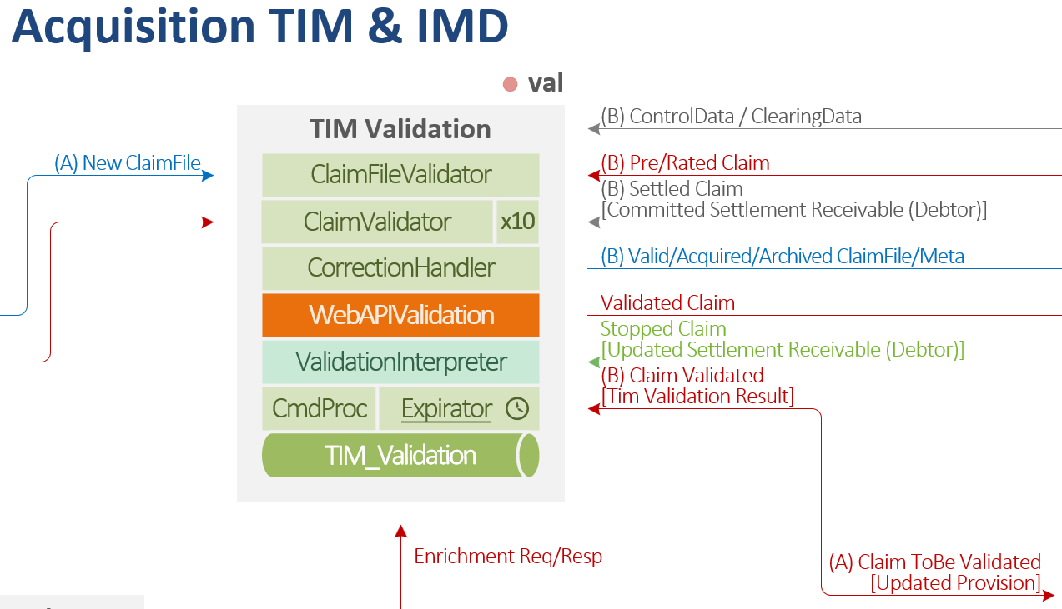
Group / Process | 0 Acquisition (of BA ClaimFile)
2nd Group / Process | 04 Receive, Validate, Store ClaimFile and Claim
3rd Group / Process | 06 Enrich Claim
4h Group / Process | 08 Take Over Risk
Key Input | New ClaimFiles and New Claims
Key Output | Validated ClaimFiles (Accepted, Rejected or Unknown) and Validated Claims (Accepted, elligible for Clearing, Invoicing, or Rejected)
External Input
External Output
Messages In
Messages Out

 |  | Day 5 Validations (RBC, AGB, LCB, Insurer Agreements, Infomedics filters)
 |  | Overview of ClaimFile and Claim validations
 |  | 1. Registration of Business & Control rules, RBC: MZ301-MZ302v1.3_RBCu30.xlsx (vektis.nl)
 |  | a. Level 1, 2: Integrity - minimum for parsing in
 |  | b. Level 3: Syntax
 |  | c. Level 4-5: Semantics (basic and relations)
 |  | d. Level 6: Lookups, i.e. Uzovi & AGB registry - considered separately
 |  | e. Level 7: WLZ-specific rules
 |  | 1. AGB lookup
 |  | a. Check for Provider existence within formal structures (i.e. is this Participant employed in this Practice)
 |  | 1. Logical Control Description, LCB (aka NZa) Mendix - Gepubliceerd door VEKTIS
 |  | 2. Insurer Agreements
 |  | a. External service, verification of sequences of Treatments (aka Trajectories) for insurance coverage
 |  | 3. Infomedics "filters", TIM15 Formats and BR.accdb
 |  | a. Apply Infomedics validations
 |  | i. Identification of Contract of submitter > validate if active
 |  | ii. Identification of Product and Pricing of submitter > validate active services and settings
 |  | iii. Analyze Risk (Bad Debtor, oustanding receivables) and decide on acceptation
 |  | b. Summarize results of all previous validations
 |  | c. Naming convention
 |  | i. KOF - kick off filter on _F - File, _C - Claim, _L - ClaimLine level, e.g. KOF_C_01
 |  | ii. DDF - debtor determination filter, e.g. DDF_L_05
 |  | 1. Note both "non-Clearable" & "non-Printable" leads to KOF on Claim (recursive execution)
 |  | d. Examples
 |  | i. Do we know this Participant - does he have an active BA Contract? (if not then KOF_F…)
 |  | ii. Does his Contract have proper settings (enabled Clearing, enabled Printing, correct Prices)
 |  | iii. Does the Debtor live in country supported by Infomedics and/or NL ICs
 |  | iv. Is the Claim clearable or printable based on validations so far (apply DDF_C… then)
 |  | v. Is the Claim valid for processing based on validations so far (if not then KOF_C…)
 |  | vi. …
 |  | Resources
 |  | Standardization - Standards | Vektis.nl (www-vektis-nl.translate.goog)
 |  | Mendix - Gepubliceerd door VEKTIS (mendixcloud.com)
 |  | Eibericht - Een Notepad++ plugin voor EI-berichten
 |  | Videos
 |  | 10. IMF Intro - ClaimFile Claim Validations (RBC, LCB, IC, IMF).webm

3.3 enr
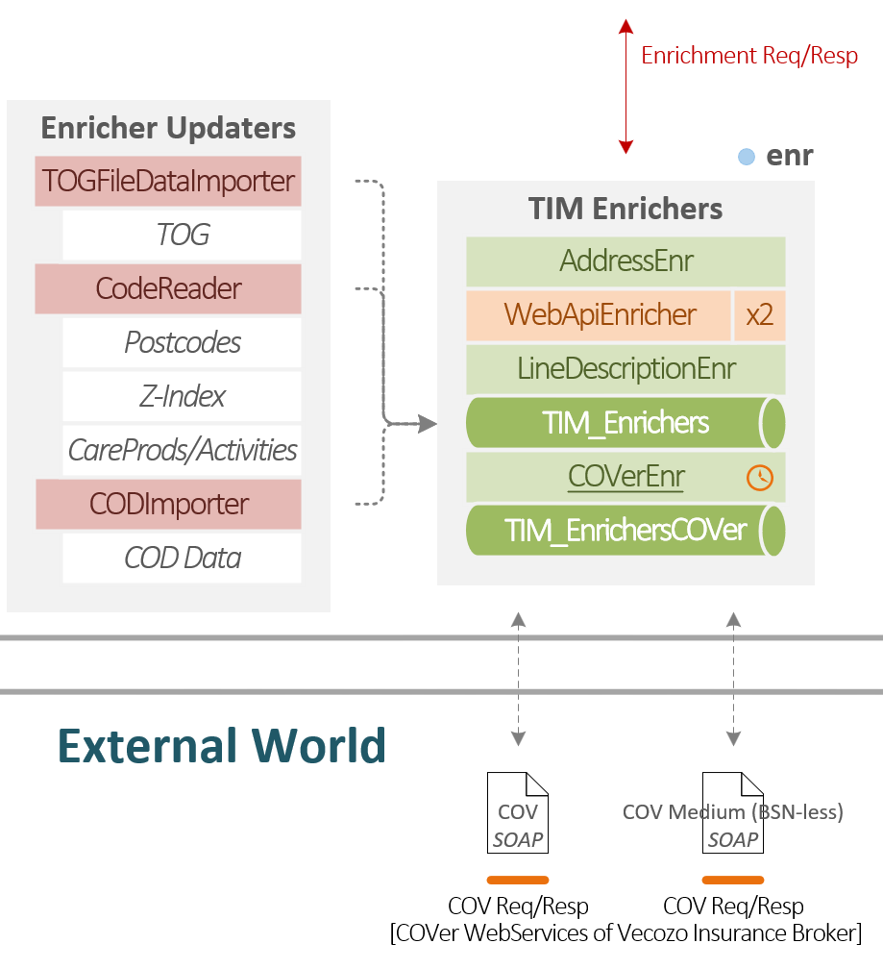
Name | Acquisition / Enrichers (enr)
Label | enr
Index | 3.3
SIG Name | TIM\Acquisition.Enrichers
API Label | WebAPI integrated with the service: WebAPIEnricher
API Index
API Sig Name
Responsibilities | 1. Enrich Address details (complete missing City and/or Street) 2. Enrich COV information (Insurance Policies per Patient) 3. Enrich ClaimLine descriptions (resolution of Treatment Codes)
Group / Process | 0 Acquisition (of BA ClaimFile)
2nd Group / Process | 06 Enrich Claim
3rd Group / Process
4h Group / Process
Key Input | Requests for enriching related to Claims being Acquired
Key Output | Enrichment data related to Claims being Acquired
External Input | Response from Vecozo COV with Insurance Policies per Patient
External Output | Request to Vecozo COV for Insurance Policies per Patient
Messages In
Messages Out

#4.1 inp
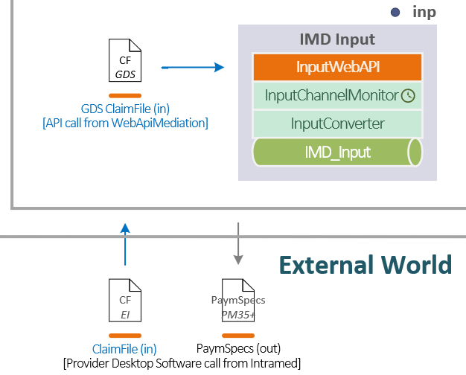
Name | IMD / Input
Label | inp
Index | 4.1
SIG Name | IMD\IMDInput
API Label | IMDInputApi
API Index
API Sig Name | MD\IMDInput
Responsibilities | This is a delivery channel for new generation of Vektis files (GDS) incoming in XML format instead of classic textual versions. Files are delivered via WebAPI from InZicht or from custom Dentist Software. Folder input is also available for legacy reasons.
Group / Process | 0 Acquisition (of BA ClaimFile)
2nd Group / Process | 02 Deliver ClaimFile
3rd Group / Process | 04 Receive, Validate, Store ClaimFile and Claim
4h Group / Process
Key Input | Data streams redirected from WebAPIMediation (also optionally from folder) representing ClaimFiles
Key Output | GDS File metadata describing basic xsd and xslt validation results on file level and NewProvisions decomposed from GDS claim file
External Input | Data streams redirected from WebAPIMediation
External Output
Messages In
Messages Out

#4.2 ival
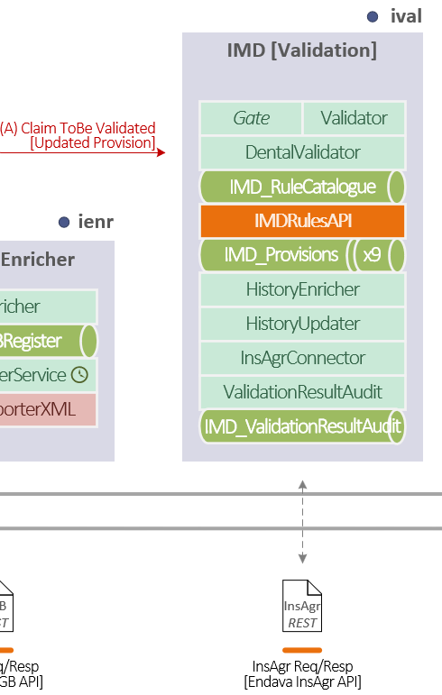
Name | IMD / Validation
Label | ival
Index | 4.2
SIG Name | IMD\IMD Validation
API Label
API Index
API Sig Name
Responsibilities | A bridgehead to a new way of providing and validating input to the system: before the data become Claims (which implies financial input) they can be posted in a more generalised form (called Provisions) for validation and enrichment. This enables handling data coming from classic input like Claims (called from regular delivery channels, currently used for AP, LH, and GZ, not yet for MZ!) as well as from the other sources like an early call from dentist software (via dedicated WebAPI, currently planned, not implemented). For example, a Dentist may want to validate Patient details or Treatment Plan before performing any Treatments. Currently this component handles the following functionality: 1. Validation of AP304, LH307 and GDS801 formats - RBC rules (run on Provision model which is close to Vektis model) 2. Validation of NZA and AGB rules for MZ301 files (Colosseum clients) 3. Provide an interface for viewing and editing validation rules. 4. Identify unique patient per BA/MBA, enrich claim with patient history and maintain treatment history of a patient. 5. Connect with Insurer Agreement module to get the result of insurer agreement rules vadatlion.
Group / Process
2nd Group / Process
3rd Group / Process
4h Group / Process
Key Input
Key Output
External Input
External Output
Messages In
Messages Out

#4.3 ienr
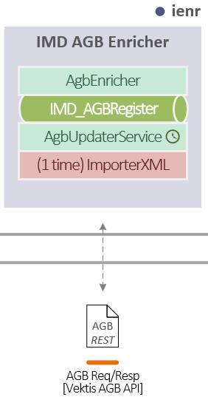
Name | IMD / Enricher(s)
Label | ienr
Index | 4.3
SIG Name | IMD\IMD Enrichers
API Label
API Index
API Sig Name
Responsibilities | 1. Maintain and automatically update AGB codes registry 2. Enrich claims with AGB registry information (needed for validation)
Group / Process
2nd Group / Process
3rd Group / Process
4h Group / Process
Key Input
Key Output
External Input
External Output
Messages In
Messages Out

5 bnm
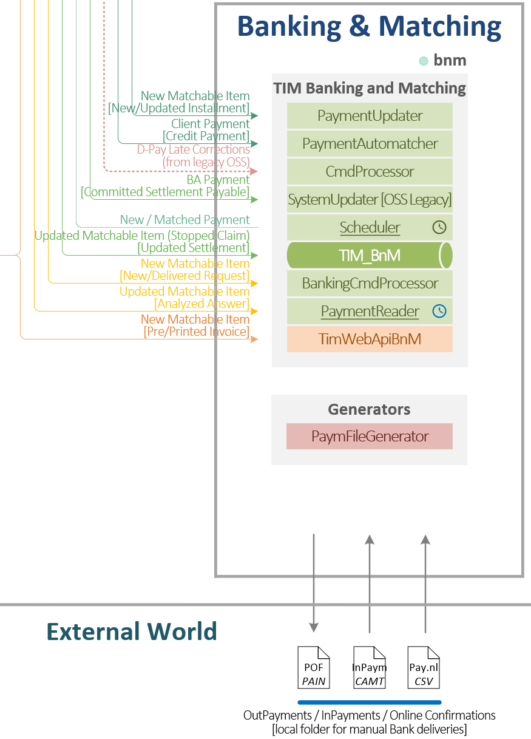
Name | Banking and Matching (BnM)
Label | bnm
Index | 5
SIG Name | TIM\Banking And Matching
API Label | WebAPI integrated with the service: WebAPIBnM
API Index
API Sig Name
Responsibilities | 1. Exchange information with Banks(s) [in/out]​ 2. Banking: Induce mutations on bank accounts (> sent orders)​ * Out * DD 3. Banking: Reflect mutations (< consume statements)​ 4. Matching: Assign mutations on bank accounts to system events * repository of TIM receivable and payable items, their amounts​ and relations * collect financial data (Matchable Items) from other TIM domains​ * Validation ​ * Core​ (? PaymProv) * Core.ARP​ * InvoicingAndDunning​ * Clearing​ * allow to match corresponding items with bank account operations​ * allow manual actions with payments (classification/categorization [also automatic], paybacks, forwards)​ * report the financial state of the Claim/Settlement/Payment to others​??? [CHA]
Group / Process | 1A Banking and Matching
2nd Group / Process | 18 Receive and Pre?Match Payment
3rd Group / Process | 19 Manual Match Payment
4h Group / Process | 16 Order Out-Payment
Key Input | Matchable Items (Claims, IRs, Invoices), …
Key Output
External Input
External Output
Messages In
Messages Out

6.1 clr
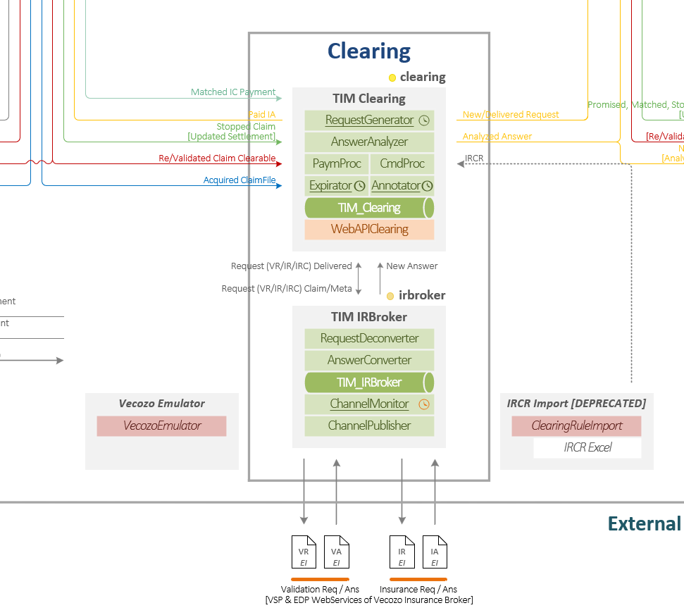
Name | Clearing (clr)
Label | clr
Index | 6
SIG Name | TIM\Clearing
API Label | WebAPI integrated with the service: WebAPIClearing
API Index
API Sig Name
Responsibilities | 1. Receive Validated Claims rendered as Clearable after analysis of business rules (confirmed on ClaimFile level for completness) 2. Assign Claims to Validation/Insurance Requests (VR/IR) according to grouping rules (currently per ClaimFile per Insurer) 3. Analyze Insurance Answers, i.e. rejection levels and resultcodes from Insurers and apply respective follow-ups based on IRCR tables 4. Match Insurer Payments with Insurance Requests based on information from Answers * Possible one-payment-many-IR and vice versa combintations 5. Configure IRCR tables based on Rejection Level, Resultcode, Profession Group, Insurer, BA Contract number , ClaimFile format 6. Handles new retrocessions and create respective actions resulting from them (e.g. VR correction, IR Correction). 7. Monitor status of requests, perform follow-up actions on expiration (e.g. expiration of VR to IR) 8. Create annnoattions
Group / Process | 2 Clearing (of Clearable ClaimLines)
2nd Group / Process | 24 Issue Insurance Request (VR, IR, IRC)
3rd Group / Process | 26 Receive Insurance Answer (VA, IA, IAC, doc)
4h Group / Process | 23 Configure IRCR
Key Input | Validated Claims rendered as Clearable
Key Output | Analyzed Claims rendered as Rejected or elligible for Invoicing
External Input
External Output
Messages In
Messages Out

#7 ind
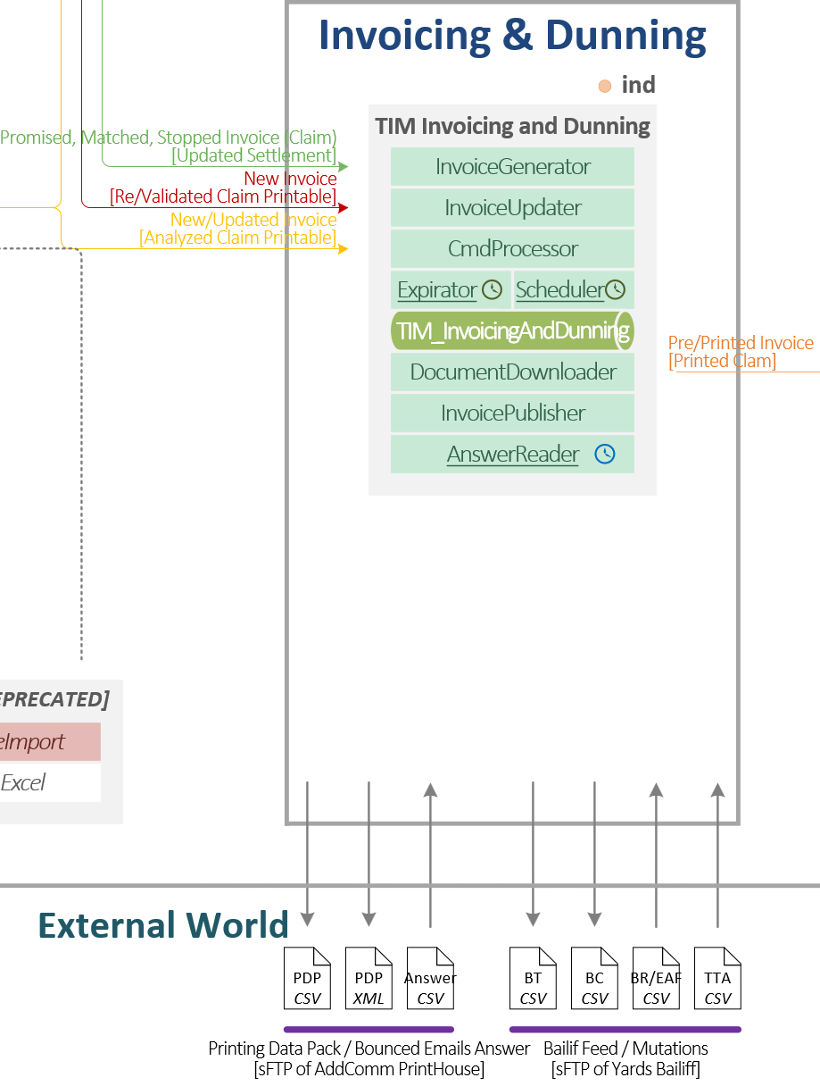
Name | Invoicing and Dunning (InD)
Label | ind
Index | 7
SIG Name | TIM\Invoicing And Dunning
API Label
API Index
API Sig Name
Responsibilities | 1. Create Invoices from Claims (initially Printable or Printable remainders after Clearing) 2. Create Printing Data Packs (PDP CSV & XML) with Invoices, eInvoices, and Reminders according to grouping configuraiton 3. Deliver PDPs to Printhouse(s) according to printing & mailing schedule (via SFTP folders) 4. Process feedback from Printhouse(s) (non-delivery reports) 5. Control Aging of Invoices according to Dunning Plan (Invoice, Reminder 1st, 2nd, Collection Invoice, Profit Letter, Actionable steps) 6. Consult ARP for additional charges (dunning costs) for Dunning Steps 7. Publish the eReminders for rendering and delivering emails via RnN service 8. Gather Claim documentation for overdue Claims 9. Create Bailiff Data Pack 10. Deliver Bailiff Data Pack to Bailiff(s) (via SFTP folders) 11. Process feedback from Bailiff (collection progress)
Group / Process | 3 Invoicing and Dunning (of Printable Claims)
2nd Group / Process | *
3rd Group / Process
4h Group / Process
Key Input | Printable Claims
Key Output | Expired Invoices
External Input | Non-Delivery Reports, Bailiff Answers
External Output | Printing Data Pack, Bailiff Pack
Messages In
Messages Out

#8 rnn
Name | Rendering and Notification (RnN)
Label | rnn
Index | 8
SIG Name | TIM\Rendering and Notification
API Label
API Index
API Sig Name
Responsibilities | 1. Render Communication Items (printable reports, emails with attachments, and text messages) A. Customer Items * Confirmation Report * Payment Specification Report * Subscription Invoice * Notifications of Rejections and Retrocessions, * MFA, password reset messages B. Debtor Items * eReminders * Complait status messages * Payment Agreement installments * Direct Debit failure messages * MFA, password reset messages 2. Deliver items via channels like local mail server and external API calls | 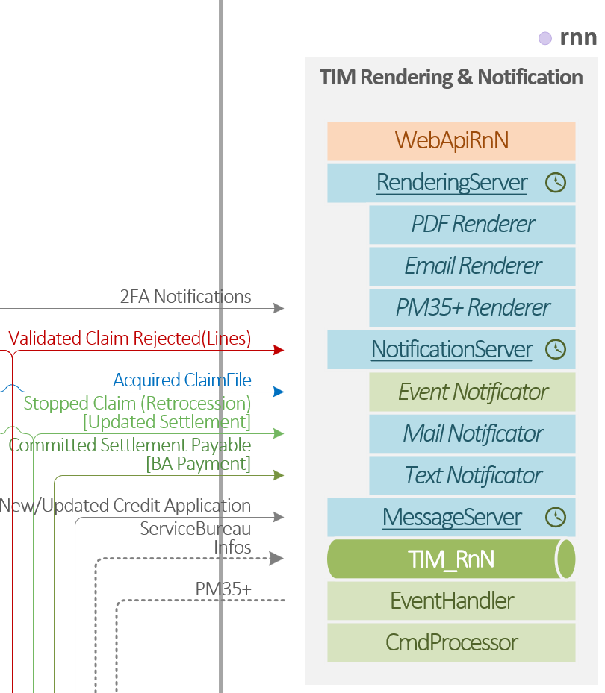
Group / Process | 4 Interact with Customer
2nd Group / Process | 42 Send BA Report
3rd Group / Process | 5 Interact with Debtor
4h Group / Process | 54 Send Debtor Report
Key Input
Key Output
External Input
External Output | Communication Items (PDF, email, text message)
Messages In
Messages Out

#9.1_2 capi
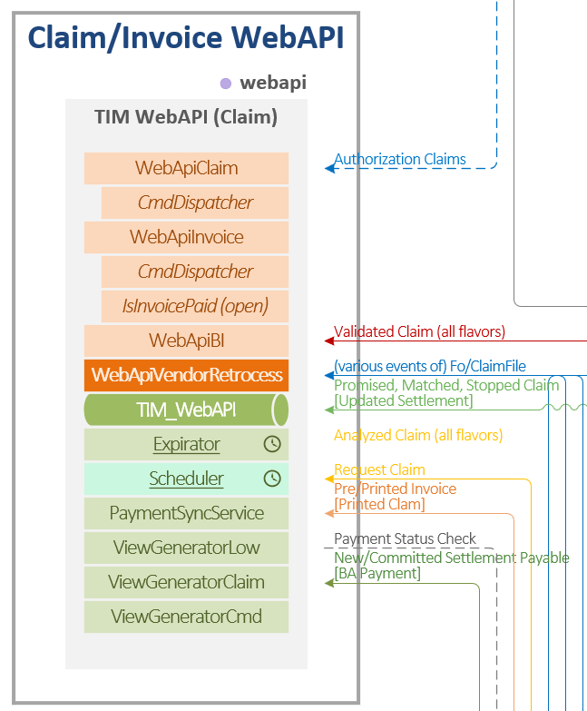
Name | Claim WebAPI
Label | webapi
Index | 9.1
SIG Name | TIM\Claim WebApi (backend)
API Label | webapi (capi?)
API Index | 9.2
API Sig Name | TIM\Claim WebApi (mid)
Responsibilities | On backend side receives significant events from all services and renders dedicated views of business objects and their current state (ClaimFiles, Claims, VR/IR, VA/IA, Payments, etc.). On frontend side provides the views to UIs (Agent, InZicht, Patient Portal) via OData REST WebAPI (Claim and Invoice). Receives user inputs for data manipulation and routes it to dedicated services as Commands using the CQRS principle.
Group / Process
2nd Group / Process
3rd Group / Process
4h Group / Process
Key Input
Key Output
External Input
External Output
Messages In
Messages Out

#10 lgc
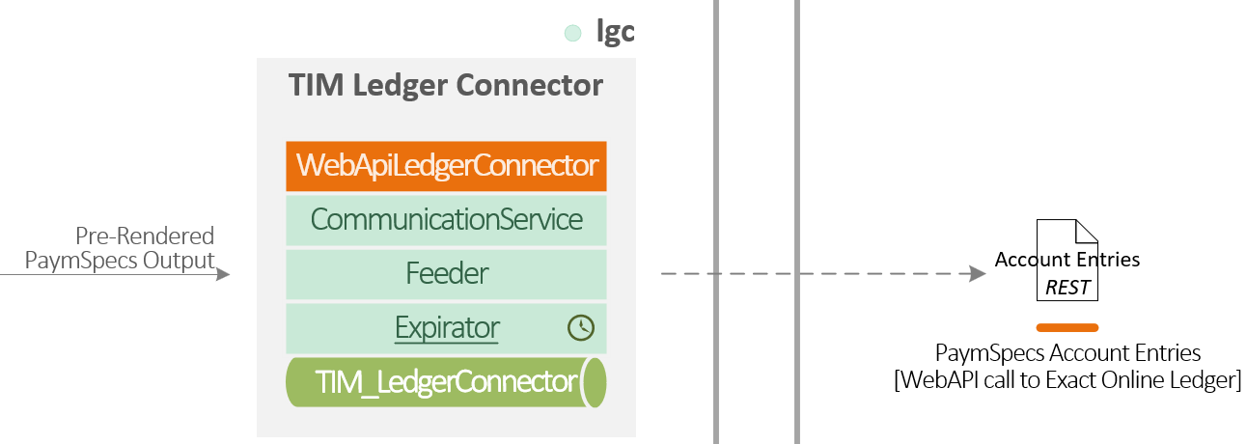
Name | Ledger Connector (LgC)
Label | lgc
Index | 10
SIG Name | TIM\Ledger Connector
API Label
API Index
API Sig Name
Responsibilities | Renders Payments Specification reports to a form of financial statements consumable by Online Ledgers like Exact Online or Twinfield. Uploads the statements to respective Customer accounts in the services.
Group / Process
2nd Group / Process
3rd Group / Process
4h Group / Process
Key Input
Key Output
External Input
External Output
Messages In
Messages Out

#11 help
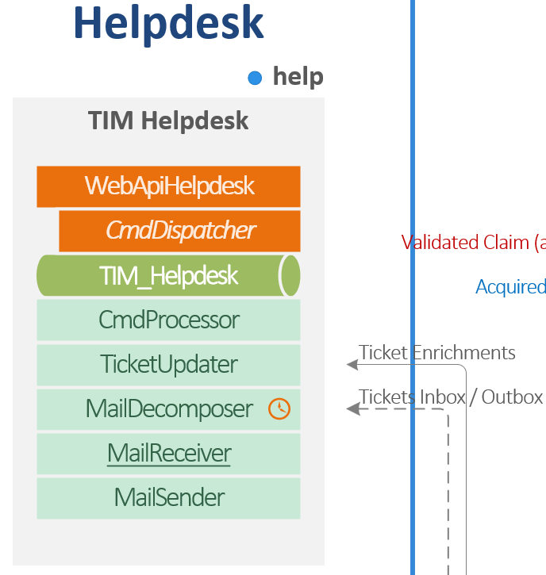
Name | Helpdesk (help)
Label | help
Index | 11
SIG Name | TIM\Helpdesk
API Label
API Index
API Sig Name
Responsibilities | Maintains communication with Debtors initiated by filling dedicated contact forms or replying to mailed Invoice (incoming as emails via Azure mailboxes). Enables Agents to compose mailed responses and link the correspondence with respective Claims.
Group / Process
2nd Group / Process
3rd Group / Process
4h Group / Process
Key Input
Key Output
External Input
External Output
Messages In
Messages Out

